Guide
Qualified Well Cost – Guide to utilize spreadsheet
The Qualified Well Cost spreadsheet includes actual costs by Oilfield Site Restoration to plug and abandon wells. To utilize the spreadsheet, determine the UTM 83 coordinates of the target well.
 | • This data is available in the “Well Information” cartridge. The Well Information cartridge is a hyperlink in many of the SONRIS queries. • A direct path to the cartridge can be found via www.sonris.com > SONRIS Data Portal > Well Information > Wells by Serial Number

 | • Key in target well serial number then select “Submit”
 | 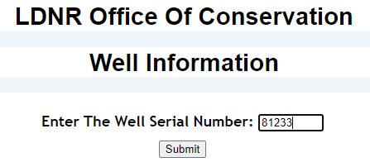
 | • UTM 83 coordinates are located near the top of the page
 | 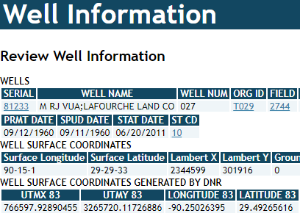
Key the values into the spreadsheet, then sort results to identify offset wells.
 | • Type in the values in the green X and Y fields in the spreadsheet
 | 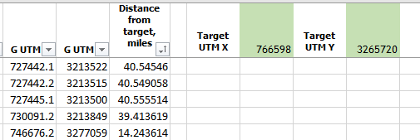
 | • Sort the “Distance from target, miles” column ascending to identify closest offset wells. Select the filter icon in the header…

 | • …select “Sort Smallest to Largest” to reapply
 | 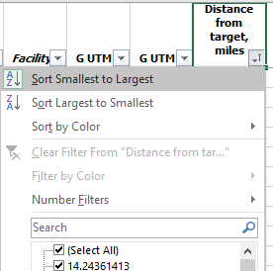
Results display closest offset wells and total cost to plug and abandon and restore the site.

